03 Sum and Difference
Item Name | Amount ($) | 1. =sum( select the range) enter
 |  | 2. select the answer cell and press Alt + = then press enter to confirm
Sales | 150000 | 3. Select the range and keep last cell empty now press Alt + =
Services Revenue | 25000
Other Revenue | 5000 | Ctrl + F to find
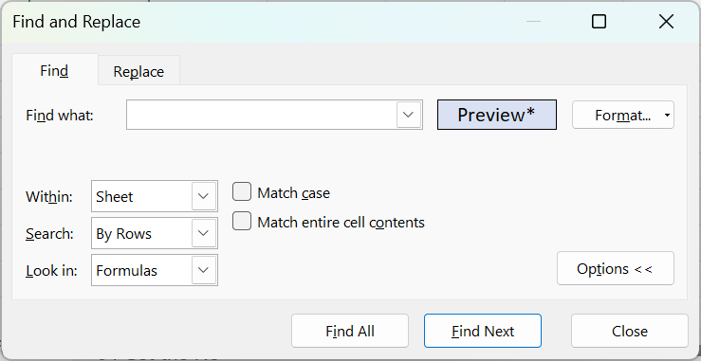
Sub Total A | 180000

Cost of Goods Sold | 60000
Sub Total B | 60000
Gross Profit C = A - B | 120000

Salaries and Wages | 30000
Rent and Lease | 15000
Utilities | 2000 | click on format down arrow and choose format from cell
Marketing and Advertising | 10000 | Click on Find All then Ctrl + A close the find dialog
Depreciation | 8000 | Alt + = to fetch total in all selected cells
Other Operating Expenses | 5000
Interest Expenses | 1500
Taxes | 10000
Other Non-Operating Expenses | 500
Sub Total D | 82000

Operating Income | 50000
Interest Income | 2000
Other Non-Operating Income | 1000
Sub Total E | 53000

Net Income F = C - D + E | 91000

